Average Keratometry Calculator
Average keratometry
calculator V 1.1
 |  |  |  |  |  | Concept, Design, Programming
 |  |  |  |  |  | © 2016 Dr. Saurabh Sawhney, Dr. Aashima Aggarwal
 |  |  |  |  |  | Software release version 1.1.2016.06.14
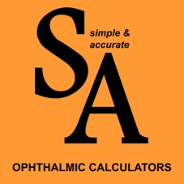
S. No | K1 | Axis | K2 | Axis
1 |  |  |  |  | Mean Keratometry
2
3
4
5
6
7
8 |  |  |  |  | Astigmatism
9 |  |  |  |  |  |  | Mean Corneal Power:
10 |  |  |  |  |  |  | Mean Astigmatism:
 |  |  |  |  |  |  | Coherence of Mean Astigmatism:
 |  |  |  |  |  |  | Predictive Value Index (PVI):


 | Using this Calculator is easy and intuitive. Just enter the |  |  |  |  |  | Click here to read about DIO ↓
 | individual keratometer readings and read off the results !

 | Supports upto 10 readings. A must-have tool if you are
 | using manual keratometry and need to average the
 | values properly for toric intraocular lens implantation.

 | The Theory of it !

 | In order to accurately calculate average K values from
 | a set of K readings, one must average two independent
 | variables and then re-assemble them.

 | Firstly, the mean corneal power for each set of K readings
 | is averaged to generate an overall mean K. This does not
 | contain any astigmatic information.
 |  |  |  |  |  |  | Click here to purchase the e-book ↓
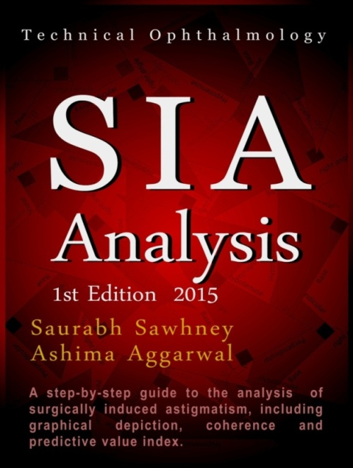
 | Secondly, the astigmatic component of each set of K
 | readings is averaged using vector approach, as per
 | Holladay. The resultant average astigmatic vector, called
 | the centroid, is thus generated.

 | Finally, the centroid is combined with the average corneal
 | power to arrive at the average K reading.

 | The Calculator also determines the Coherence and Predictive
 | Value Index (PVI) of the data set, which quantify the homogeneity
 | of the set in terms of astigmatism.

 | The more the Coherence, the better the alignment of the astigmatic
 | vectors. Higher PVI indicates more clustering on a doubled angle plot.
 | For further information on these two values and astigmatism analysis,
 | we recommend the e-book "SIA Analysis", available through Amazon. |  |  |  |  |  | please note that you will need either the Kindle device
 |  |  |  |  |  |  | or the Kindle App to be able to read this book.

